Neural net training
training data
id | X.beta |  |  | relu(X.beta) |  |  | sigma(X.beta).gamma | p | x-ent loss
1 | 63 | 0 | 0 | 63 | 0 | 0 | -63 | 4.3596100001E-28 | 63
2 | 37 | 0 | 0 | 37 | 0 | 0 | -37 | 8.5330476257E-17 | 37
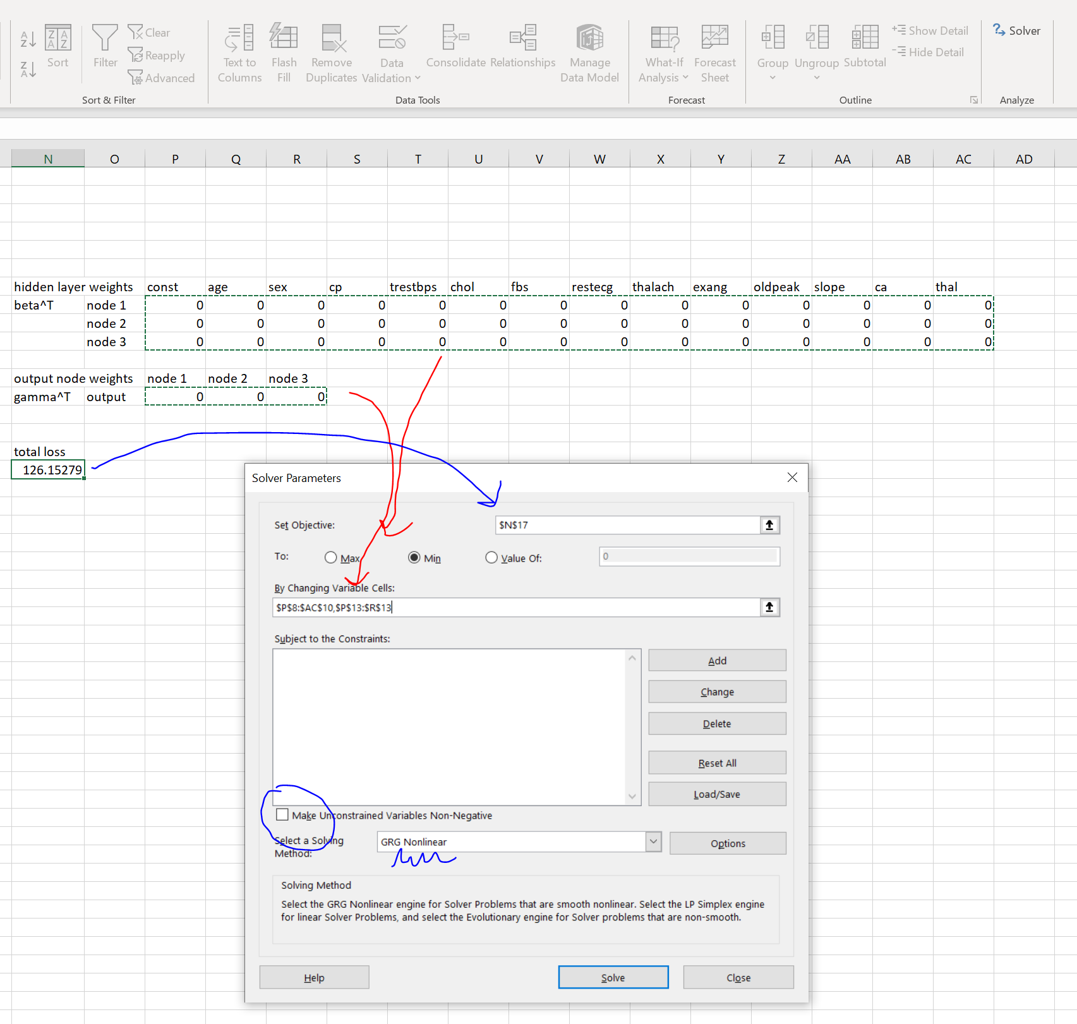
5 | 57 | 0 | 0 | 57 | 0 | 0 | -57 | 1.7587922024E-25 | 57
6 | 57 | 0 | 0 | 57 | 0 | 0 | -57 | 1.7587922024E-25 | 57
7 | 56 | 0 | 0 | 56 | 0 | 0 | -56 | 4.7808928839E-25 | 56 | hidden layer weights |  | const | age | sex | cp | trestbps | chol | fbs | restecg | thalach | exang | oldpeak | slope | ca | thal
10 | 57 | 0 | 0 | 57 | 0 | 0 | -57 | 1.7587922024E-25 | 57 | beta^T | node 1 | 0 | 1 | 0 | 0 | 0 | 0 | 0 | 0 | 0 | 0 | 0 | 0 | 0 | 0
11 | 54 | 0 | 0 | 54 | 0 | 0 | -54 | 3.5326285722E-24 | 54 |  | node 2 | 0 | 0 | 0 | 0 | 0 | 0 | 0 | 0 | 0 | 0 | 0 | 0 | 0 | 0
12 | 48 | 0 | 0 | 48 | 0 | 0 | -48 | 1.4251640827E-21 | 48 |  | node 3 | 0 | 0 | 0 | 0 | 0 | 0 | 0 | 0 | 0 | 0 | 0 | 0 | 0 | 0
15 | 58 | 0 | 0 | 58 | 0 | 0 | -58 | 6.4702349256E-26 | 58
16 | 50 | 0 | 0 | 50 | 0 | 0 | -50 | 1.928749848E-22 | 50 | output node weights |  | node 1 | node 2 | node 3
17 | 58 | 0 | 0 | 58 | 0 | 0 | -58 | 6.4702349256E-26 | 58 | gamma^T | output | -1 | 0 | 0
20 | 69 | 0 | 0 | 69 | 0 | 0 | -69 | 1.0806392777E-30 | 69
21 | 59 | 0 | 0 | 59 | 0 | 0 | -59 | 2.3802664087E-26 | 59
22 | 44 | 0 | 0 | 44 | 0 | 0 | -44 | 7.7811322411E-20 | 44 | total loss
25 | 40 | 0 | 0 | 40 | 0 | 0 | -40 | 4.2483542553E-18 | 40 | 5302
26 | 71 | 0 | 0 | 71 | 0 | 0 | -71 | 1.4624862273E-31 | 71
27 | 59 | 0 | 0 | 59 | 0 | 0 | -59 | 2.3802664087E-26 | 59
30 | 53 | 0 | 0 | 53 | 0 | 0 | -53 | 9.6026800545E-24 | 53
31 | 41 | 0 | 0 | 41 | 0 | 0 | -41 | 1.5628821893E-18 | 41
32 | 65 | 0 | 0 | 65 | 0 | 0 | -65 | 5.9000905416E-29 | 65
35 | 51 | 0 | 0 | 51 | 0 | 0 | -51 | 7.0954741623E-23 | 51
36 | 46 | 0 | 0 | 46 | 0 | 0 | -46 | 1.0530617358E-20 | 46
37 | 54 | 0 | 0 | 54 | 0 | 0 | -54 | 3.5326285722E-24 | 54
40 | 65 | 0 | 0 | 65 | 0 | 0 | -65 | 5.9000905416E-29 | 65
41 | 51 | 0 | 0 | 51 | 0 | 0 | -51 | 7.0954741623E-23 | 51
42 | 48 | 0 | 0 | 48 | 0 | 0 | -48 | 1.4251640827E-21 | 48
45 | 39 | 0 | 0 | 39 | 0 | 0 | -39 | 1.1548224173E-17 | 39
46 | 52 | 0 | 0 | 52 | 0 | 0 | -52 | 2.6102790697E-23 | 52
47 | 44 | 0 | 0 | 44 | 0 | 0 | -44 | 7.7811322411E-20 | 44
50 | 53 | 0 | 0 | 53 | 0 | 0 | -53 | 9.6026800545E-24 | 53
51 | 51 | 0 | 0 | 51 | 0 | 0 | -51 | 7.0954741623E-23 | 51
52 | 66 | 0 | 0 | 66 | 0 | 0 | -66 | 2.1705220113E-29 | 66
55 | 63 | 0 | 0 | 63 | 0 | 0 | -63 | 4.3596100001E-28 | 63
56 | 52 | 0 | 0 | 52 | 0 | 0 | -52 | 2.6102790697E-23 | 52
57 | 48 | 0 | 0 | 48 | 0 | 0 | -48 | 1.4251640827E-21 | 48
60 | 57 | 0 | 0 | 57 | 0 | 0 | -57 | 1.7587922024E-25 | 57
61 | 71 | 0 | 0 | 71 | 0 | 0 | -71 | 1.4624862273E-31 | 71
62 | 54 | 0 | 0 | 54 | 0 | 0 | -54 | 3.5326285722E-24 | 54
65 | 58 | 0 | 0 | 58 | 0 | 0 | -58 | 6.4702349256E-26 | 58
66 | 35 | 0 | 0 | 35 | 0 | 0 | -35 | 6.3051167601E-16 | 35
67 | 51 | 0 | 0 | 51 | 0 | 0 | -51 | 7.0954741623E-23 | 51
70 | 62 | 0 | 0 | 62 | 0 | 0 | -62 | 1.1850648642E-27 | 62
71 | 54 | 0 | 0 | 54 | 0 | 0 | -54 | 3.5326285722E-24 | 54
72 | 51 | 0 | 0 | 51 | 0 | 0 | -51 | 7.0954741623E-23 | 51
75 | 43 | 0 | 0 | 43 | 0 | 0 | -43 | 2.1151310376E-19 | 43
76 | 55 | 0 | 0 | 55 | 0 | 0 | -55 | 1.299581425E-24 | 55
77 | 51 | 0 | 0 | 51 | 0 | 0 | -51 | 7.0954741623E-23 | 51
80 | 58 | 0 | 0 | 58 | 0 | 0 | -58 | 6.4702349256E-26 | 58
81 | 41 | 0 | 0 | 41 | 0 | 0 | -41 | 1.5628821893E-18 | 41
82 | 45 | 0 | 0 | 45 | 0 | 0 | -45 | 2.8625185805E-20 | 45
85 | 42 | 0 | 0 | 42 | 0 | 0 | -42 | 5.7495222643E-19 | 42
86 | 67 | 0 | 0 | 67 | 0 | 0 | -67 | 7.9849042457E-30 | 67
87 | 68 | 0 | 0 | 68 | 0 | 0 | -68 | 2.9374821117E-30 | 68
90 | 58 | 0 | 0 | 58 | 0 | 0 | -58 | 6.4702349256E-26 | 58
91 | 48 | 0 | 0 | 48 | 0 | 0 | -48 | 1.4251640827E-21 | 48
92 | 57 | 0 | 0 | 57 | 0 | 0 | -57 | 1.7587922024E-25 | 57
95 | 45 | 0 | 0 | 45 | 0 | 0 | -45 | 2.8625185805E-20 | 45
96 | 53 | 0 | 0 | 53 | 0 | 0 | -53 | 9.6026800545E-24 | 53
97 | 62 | 0 | 0 | 62 | 0 | 0 | -62 | 1.1850648642E-27 | 62
100 | 53 | 0 | 0 | 53 | 0 | 0 | -53 | 9.6026800545E-24 | 53
101 | 42 | 0 | 0 | 42 | 0 | 0 | -42 | 5.7495222643E-19 | 42
102 | 59 | 0 | 0 | 59 | 0 | 0 | -59 | 2.3802664087E-26 | 59
105 | 50 | 0 | 0 | 50 | 0 | 0 | -50 | 1.928749848E-22 | 50
106 | 68 | 0 | 0 | 68 | 0 | 0 | -68 | 2.9374821117E-30 | 68
107 | 69 | 0 | 0 | 69 | 0 | 0 | -69 | 1.0806392777E-30 | 69
110 | 50 | 0 | 0 | 50 | 0 | 0 | -50 | 1.928749848E-22 | 50
111 | 64 | 0 | 0 | 64 | 0 | 0 | -64 | 1.6038108905E-28 | 64
112 | 57 | 0 | 0 | 57 | 0 | 0 | -57 | 1.7587922024E-25 | 57
115 | 55 | 0 | 0 | 55 | 0 | 0 | -55 | 1.299581425E-24 | 55
116 | 37 | 0 | 0 | 37 | 0 | 0 | -37 | 8.5330476257E-17 | 37
117 | 41 | 0 | 0 | 41 | 0 | 0 | -41 | 1.5628821893E-18 | 41
120 | 46 | 0 | 0 | 46 | 0 | 0 | -46 | 1.0530617358E-20 | 46
121 | 64 | 0 | 0 | 64 | 0 | 0 | -64 | 1.6038108905E-28 | 64
122 | 59 | 0 | 0 | 59 | 0 | 0 | -59 | 2.3802664087E-26 | 59
125 | 39 | 0 | 0 | 39 | 0 | 0 | -39 | 1.1548224173E-17 | 39
126 | 34 | 0 | 0 | 34 | 0 | 0 | -34 | 1.7139084315E-15 | 34
127 | 47 | 0 | 0 | 47 | 0 | 0 | -47 | 3.8739976287E-21 | 47
130 | 74 | 0 | 0 | 74 | 0 | 0 | -74 | 7.2812901783E-33 | 74
131 | 54 | 0 | 0 | 54 | 0 | 0 | -54 | 3.5326285722E-24 | 54
132 | 49 | 0 | 0 | 49 | 0 | 0 | -49 | 5.2428856634E-22 | 49
135 | 41 | 0 | 0 | 41 | 0 | 0 | -41 | 1.5628821893E-18 | 41
136 | 49 | 0 | 0 | 49 | 0 | 0 | -49 | 5.2428856634E-22 | 49
137 | 60 | 0 | 0 | 60 | 0 | 0 | -60 | 8.7565107627E-27 | 60
140 | 64 | 0 | 0 | 64 | 0 | 0 | -64 | 1.6038108905E-28 | 64
141 | 51 | 0 | 0 | 51 | 0 | 0 | -51 | 7.0954741623E-23 | 51
142 | 43 | 0 | 0 | 43 | 0 | 0 | -43 | 2.1151310376E-19 | 43
145 | 76 | 0 | 0 | 76 | 0 | 0 | -76 | 9.8541546861E-34 | 76
146 | 70 | 0 | 0 | 70 | 0 | 0 | -70 | 3.9754497359E-31 | 70
147 | 44 | 0 | 0 | 44 | 0 | 0 | -44 | 7.7811322411E-20 | 44
150 | 42 | 0 | 0 | 42 | 0 | 0 | -42 | 5.7495222643E-19 | 42
151 | 66 | 0 | 0 | 66 | 0 | 0 | -66 | 2.1705220113E-29 | 66
152 | 71 | 0 | 0 | 71 | 0 | 0 | -71 | 1.4624862273E-31 | 71
155 | 39 | 0 | 0 | 39 | 0 | 0 | -39 | 1.1548224173E-17 | 39
156 | 58 | 0 | 0 | 58 | 0 | 0 | -58 | 6.4702349256E-26 | 58
157 | 47 | 0 | 0 | 47 | 0 | 0 | -47 | 3.8739976287E-21 | 47
160 | 56 | 0 | 0 | 56 | 0 | 0 | -56 | 4.7808928839E-25 | 56
161 | 56 | 0 | 0 | 56 | 0 | 0 | -56 | 4.7808928839E-25 | 56
162 | 55 | 0 | 0 | 55 | 0 | 0 | -55 | 1.299581425E-24 | 55
165 | 38 | 0 | 0 | 38 | 0 | 0 | -38 | 3.139132792E-17 | 38
166 | 67 | 0 | 0 | 67 | 0 | 0 | -67 | 7.9849042457E-30 | 0
167 | 67 | 0 | 0 | 67 | 0 | 0 | -67 | 7.9849042457E-30 | 0
170 | 53 | 0 | 0 | 53 | 0 | 0 | -53 | 9.6026800545E-24 | 0
171 | 56 | 0 | 0 | 56 | 0 | 0 | -56 | 4.7808928839E-25 | 0
172 | 48 | 0 | 0 | 48 | 0 | 0 | -48 | 1.4251640827E-21 | 0
175 | 60 | 0 | 0 | 60 | 0 | 0 | -60 | 8.7565107627E-27 | 0
176 | 40 | 0 | 0 | 40 | 0 | 0 | -40 | 4.2483542553E-18 | 0
177 | 60 | 0 | 0 | 60 | 0 | 0 | -60 | 8.7565107627E-27 | 0
180 | 57 | 0 | 0 | 57 | 0 | 0 | -57 | 1.7587922024E-25 | 0
181 | 55 | 0 | 0 | 55 | 0 | 0 | -55 | 1.299581425E-24 | 0
182 | 65 | 0 | 0 | 65 | 0 | 0 | -65 | 5.9000905416E-29 | 0
185 | 50 | 0 | 0 | 50 | 0 | 0 | -50 | 1.928749848E-22 | 0
186 | 44 | 0 | 0 | 44 | 0 | 0 | -44 | 7.7811322411E-20 | 0
187 | 60 | 0 | 0 | 60 | 0 | 0 | -60 | 8.7565107627E-27 | 0
190 | 41 | 0 | 0 | 41 | 0 | 0 | -41 | 1.5628821893E-18 | 0
191 | 51 | 0 | 0 | 51 | 0 | 0 | -51 | 7.0954741623E-23 | 0
192 | 58 | 0 | 0 | 58 | 0 | 0 | -58 | 6.4702349256E-26 | 0
195 | 60 | 0 | 0 | 60 | 0 | 0 | -60 | 8.7565107627E-27 | 0
196 | 59 | 0 | 0 | 59 | 0 | 0 | -59 | 2.3802664087E-26 | 0
197 | 46 | 0 | 0 | 46 | 0 | 0 | -46 | 1.0530617358E-20 | 0
200 | 65 | 0 | 0 | 65 | 0 | 0 | -65 | 5.9000905416E-29 | 0
201 | 44 | 0 | 0 | 44 | 0 | 0 | -44 | 7.7811322411E-20 | 0
202 | 60 | 0 | 0 | 60 | 0 | 0 | -60 | 8.7565107627E-27 | 0
205 | 62 | 0 | 0 | 62 | 0 | 0 | -62 | 1.1850648642E-27 | 0
206 | 52 | 0 | 0 | 52 | 0 | 0 | -52 | 2.6102790697E-23 | 0
207 | 59 | 0 | 0 | 59 | 0 | 0 | -59 | 2.3802664087E-26 | 0
210 | 59 | 0 | 0 | 59 | 0 | 0 | -59 | 2.3802664087E-26 | 0
211 | 57 | 0 | 0 | 57 | 0 | 0 | -57 | 1.7587922024E-25 | 0
212 | 61 | 0 | 0 | 61 | 0 | 0 | -61 | 3.221340286E-27 | 0
215 | 56 | 0 | 0 | 56 | 0 | 0 | -56 | 4.7808928839E-25 | 0
216 | 43 | 0 | 0 | 43 | 0 | 0 | -43 | 2.1151310376E-19 | 0
217 | 62 | 0 | 0 | 62 | 0 | 0 | -62 | 1.1850648642E-27 | 0
220 | 48 | 0 | 0 | 48 | 0 | 0 | -48 | 1.4251640827E-21 | 0
221 | 63 | 0 | 0 | 63 | 0 | 0 | -63 | 4.3596100001E-28 | 0
222 | 55 | 0 | 0 | 55 | 0 | 0 | -55 | 1.299581425E-24 | 0
225 | 54 | 0 | 0 | 54 | 0 | 0 | -54 | 3.5326285722E-24 | 0
226 | 70 | 0 | 0 | 70 | 0 | 0 | -70 | 3.9754497359E-31 | 0
227 | 62 | 0 | 0 | 62 | 0 | 0 | -62 | 1.1850648642E-27 | 0
230 | 64 | 0 | 0 | 64 | 0 | 0 | -64 | 1.6038108905E-28 | 0
231 | 47 | 0 | 0 | 47 | 0 | 0 | -47 | 3.8739976287E-21 | 0
232 | 57 | 0 | 0 | 57 | 0 | 0 | -57 | 1.7587922024E-25 | 0
235 | 70 | 0 | 0 | 70 | 0 | 0 | -70 | 3.9754497359E-31 | 0
236 | 51 | 0 | 0 | 51 | 0 | 0 | -51 | 7.0954741623E-23 | 0
237 | 58 | 0 | 0 | 58 | 0 | 0 | -58 | 6.4702349256E-26 | 0
240 | 35 | 0 | 0 | 35 | 0 | 0 | -35 | 6.3051167601E-16 | 6.6613381478E-16
241 | 70 | 0 | 0 | 70 | 0 | 0 | -70 | 3.9754497359E-31 | 0
242 | 59 | 0 | 0 | 59 | 0 | 0 | -59 | 2.3802664087E-26 | 0
245 | 56 | 0 | 0 | 56 | 0 | 0 | -56 | 4.7808928839E-25 | 0
246 | 48 | 0 | 0 | 48 | 0 | 0 | -48 | 1.4251640827E-21 | 0
247 | 56 | 0 | 0 | 56 | 0 | 0 | -56 | 4.7808928839E-25 | 0
250 | 69 | 0 | 0 | 69 | 0 | 0 | -69 | 1.0806392777E-30 | 0
251 | 51 | 0 | 0 | 51 | 0 | 0 | -51 | 7.0954741623E-23 | 0
252 | 43 | 0 | 0 | 43 | 0 | 0 | -43 | 2.1151310376E-19 | 0
255 | 59 | 0 | 0 | 59 | 0 | 0 | -59 | 2.3802664087E-26 | 0
256 | 45 | 0 | 0 | 45 | 0 | 0 | -45 | 2.8625185805E-20 | 0
257 | 58 | 0 | 0 | 58 | 0 | 0 | -58 | 6.4702349256E-26 | 0
260 | 38 | 0 | 0 | 38 | 0 | 0 | -38 | 3.139132792E-17 | 0
261 | 66 | 0 | 0 | 66 | 0 | 0 | -66 | 2.1705220113E-29 | 0
262 | 52 | 0 | 0 | 52 | 0 | 0 | -52 | 2.6102790697E-23 | 0
265 | 54 | 0 | 0 | 54 | 0 | 0 | -54 | 3.5326285722E-24 | 0
266 | 66 | 0 | 0 | 66 | 0 | 0 | -66 | 2.1705220113E-29 | 0
267 | 55 | 0 | 0 | 55 | 0 | 0 | -55 | 1.299581425E-24 | 0
270 | 56 | 0 | 0 | 56 | 0 | 0 | -56 | 4.7808928839E-25 | 0
271 | 46 | 0 | 0 | 46 | 0 | 0 | -46 | 1.0530617358E-20 | 0
272 | 61 | 0 | 0 | 61 | 0 | 0 | -61 | 3.221340286E-27 | 0
275 | 47 | 0 | 0 | 47 | 0 | 0 | -47 | 3.8739976287E-21 | 0
276 | 52 | 0 | 0 | 52 | 0 | 0 | -52 | 2.6102790697E-23 | 0
277 | 58 | 0 | 0 | 58 | 0 | 0 | -58 | 6.4702349256E-26 | 0
280 | 61 | 0 | 0 | 61 | 0 | 0 | -61 | 3.221340286E-27 | 0
281 | 42 | 0 | 0 | 42 | 0 | 0 | -42 | 5.7495222643E-19 | 0
282 | 52 | 0 | 0 | 52 | 0 | 0 | -52 | 2.6102790697E-23 | 0
285 | 61 | 0 | 0 | 61 | 0 | 0 | -61 | 3.221340286E-27 | 0
286 | 46 | 0 | 0 | 46 | 0 | 0 | -46 | 1.0530617358E-20 | 0
287 | 59 | 0 | 0 | 59 | 0 | 0 | -59 | 2.3802664087E-26 | 0
290 | 55 | 0 | 0 | 55 | 0 | 0 | -55 | 1.299581425E-24 | 0
291 | 61 | 0 | 0 | 61 | 0 | 0 | -61 | 3.221340286E-27 | 0
292 | 58 | 0 | 0 | 58 | 0 | 0 | -58 | 6.4702349256E-26 | 0
295 | 44 | 0 | 0 | 44 | 0 | 0 | -44 | 7.7811322411E-20 | 0
296 | 63 | 0 | 0 | 63 | 0 | 0 | -63 | 4.3596100001E-28 | 0
297 | 63 | 0 | 0 | 63 | 0 | 0 | -63 | 4.3596100001E-28 | 0
300 | 45 | 0 | 0 | 45 | 0 | 0 | -45 | 2.8625185805E-20 | 0
301 | 68 | 0 | 0 | 68 | 0 | 0 | -68 | 2.9374821117E-30 | 0
302 | 57 | 0 | 0 | 57 | 0 | 0 | -57 | 1.7587922024E-25 | 0

